Sheet2
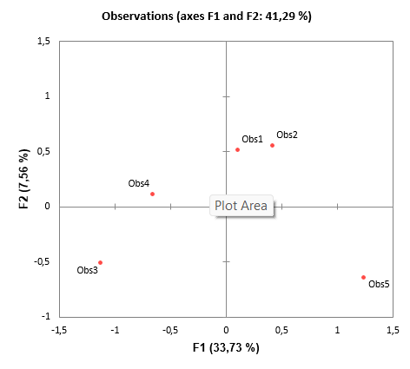
Data asli |  |  |  | Mean |  | Data yang sudah dikurangin NPM
X1 | X2 | X3 |  | NPM |  | X1 | X2 | X3
150 | 500 | 300 |  | 93 |  | 48 | 398 | 198
400 | 400 | 600 |  | 102 |  | 298 | 298 | 498
200 | 150 | 200 |  | 111 |  | 98 | 48 | 98
150 | 300 | 300 |  |  |  | 48 | 198 | 198
600 | 500 | 150 |  | 102 |  | 498 | 398 | 48
 |  |  |  |  | mean | 198 | 268 | 208
 |  |  |  |  | std | 196.85019685 | 148.32396974 | 174.64249197

Summary statistics:

Variable | Observations | Obs. with missing data | Obs. without missing data | Minimum | Maximum | Mean | Std. deviation
X1 | 5 | 0 | 5 | 48,000 | 498,000 | 198,000 | 196,850
X2 | 5 | 0 | 5 | 48,000 | 398,000 | 268,000 | 148,324
X3 | 5 | 0 | 5 | 48,000 | 498,000 | 208,000 | 174,642

Correlation matrix (Pearson (n)):

Variables | X1 | X2 | X3
X1 | 1 | 471 | -36
X2 | 471 | 1 | 111
X3 | -36 | 111 | 1

Factor analysis:

Maximum change in communality at each iteration:

Iteration | Maximum change
9 | 32
10 | 21
11 | 14
12 | 9
13 | 6
14 | 4
15 | 3
16 | 2
17 | 1
18 | 1

Reproduced correlation matrix:

 | X1 | X2 | X3
X1 | 523 | 471 | -36
X2 | 471 | 552 | 111
X3 | -36 | 111 | 164

Residual correlation matrix:

 | X1 | X2 | X3
X1 | 477 | 0 | 0
X2 | 0 | 448 | 0
X3 | 0 | 0 | 836

Eigenvalues:

 | F1 | F2 | F3
Eigenvalue | 1,477 | 1,016 | 507
Variability (%) | 49,230 | 33,872 | 16,897
Cumulative % | 49,230 | 83,103 | 100,000
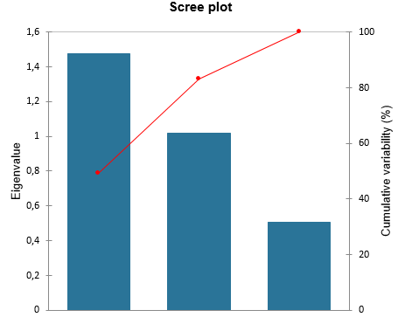

Eigenvectors: |  |  |  | Factor loadings:

 | F1 | F2 |  |  | F1 | F2
X1 | 694 | -227 |  | X1 | 843 | -229
X2 | 711 | 67 |  | X2 | 864 | 68
X3 | 113 | 972 |  | X3 | 137 | 979
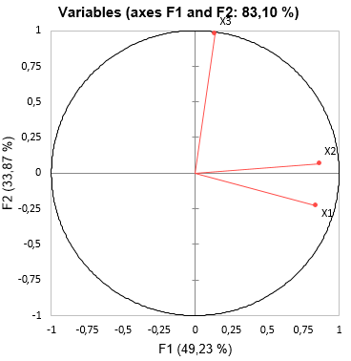
Correlations between variables and factors:

 | F1 | F2
X1 | 843 | -229
X2 | 864 | 68
X3 | 137 | 979

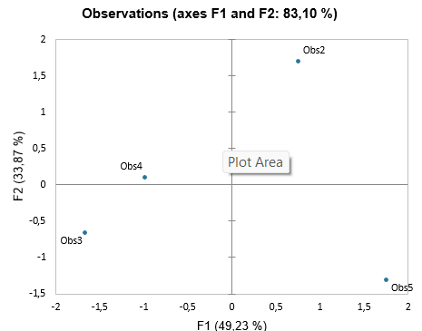
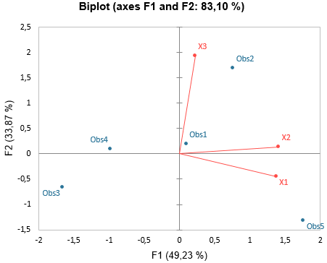

Factor pattern:

 | F1 | F2 | Initial communality | Final communality | Specific variance
X1 | 694 | -204 | 230 | 523 | 477
X2 | 726 | 159 | 238 | 552 | 448
X3 | 65 | 400 | 22 | 164 | 836
Values in bold correspond for each variable to the factor for which the squared cosine is the largest

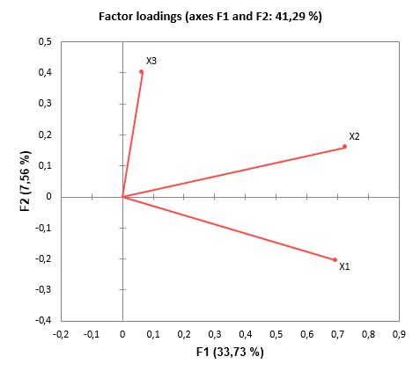

Correlations between variables and factors:

 | F1 | F2
X1 | 837 | -407
X2 | 876 | 317
X3 | 79 | 799

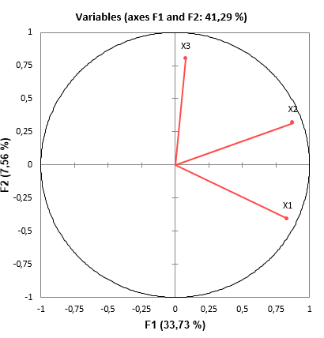

Factor pattern coefficients:

 | F1 | F2
X1 | 455 | -317
X2 | 509 | 269
X3 | 25 | 359

Factor scores:

Observation | F1 | F2
Obs1 | 109 | 510
Obs2 | 421 | 547
Obs3 | -1,120 | -518
Obs4 | -658 | 106
Obs5 | 1,248 | -645
Values in bold correspond for each observation to the factor for which the squared cosine is the largest

